TEAM BURNDOWN
 | Pts Planned | Ideal
Sprint Record Book TEAM
Time |  | Tasks
Day | Date | Pts Planned | Pts Done | Ideal
0 | 10/14/2021 | 47 | 4 | 47 | 13
1 | 10/15/2021 | 43 | 0 | 43.38461538 | 12
2 | 10/16/2021 | 43 | 0 | 39.76923077 | 11
3 | 10/17/2021 | 43 | 6 | 36.15384615 | 10
4 | 10/18/2021 | 37 | 2 | 32.53846154 | 9
5 | 10/19/2021 | 35 | 0 | 28.92307692 | 8
6 | 10/20/2021 | 35 | 0 | 25.30769231 | 7
7 | 10/21/2021 | 35 | 12 | 21.69230769 | 6
8 | 10/22/2021 | 23 | 6 | 18.07692308 | 5
9 | 10/23/2021 | 17 | 2 | 14.46153846 | 4
10 | 10/24/2021 | 15 | 3 | 10.84615385 | 3
11 | 10/25/2021 | 12 | 3 | 7.230769231 | 2
12 | 10/26/2021 | 9 | 7 | 3.615384615 | 1
13 | 10/27/2021 | 0 | 2 | 0 | 0

 | Capacity |  | Velocity:
 | 47 |  | 47
 |  |  | Percent Error:
 |  |  | 0

Leon
Sprint Record Book
Time |  | Tasks
Day | Date | Pts Planned | Pts Done | Ideal |  | Done
0 | 10/14/2021 | 11 | 0 | 11 | 13
1 | 10/15/2021 | 11 | 0 | 10.15384615 | 12
2 | 10/16/2021 | 11 | 0 | 9.307692308 | 11
3 | 10/17/2021 | 11 | 2 | 8.461538462 | 10
4 | 10/18/2021 | 9 | 0 | 7.615384615 | 9
5 | 10/19/2021 | 9 | 0 | 6.769230769 | 8
6 | 10/20/2021 | 9 | 0 | 5.923076923 | 7
7 | 10/21/2021 | 9 | 3 | 5.076923077 | 6
8 | 10/22/2021 | 6 | 3 | 4.230769231 | 5
9 | 10/23/2021 | 3 | 0 | 3.384615385 | 4
10 | 10/24/2021 | 3 | 1 | 2.538461538 | 3
11 | 10/25/2021 | 2 | 0 | 1.692307692 | 2
12 | 10/26/2021 | 2 | 1 | 0.8461538462 | 1
13 | 10/27/2021 | 0 | 1 | 0 | 0

 |  |  | Velocity:
 |  |  | 11

Orion
Sprint Record Book
Time |  | Tasks
Day | Date | Pts Planned | Pts Done | Ideal |  | Done
0 | 10/14/2021 | 13 | 0 | 13 | 13
1 | 10/15/2021 | 13 | 0 | 12 | 12
2 | 10/16/2021 | 13 | 0 | 11 | 11
3 | 10/17/2021 | 13 | 2 | 10 | 10
4 | 10/18/2021 | 11 | 0 | 9 | 9
5 | 10/19/2021 | 11 | 0 | 8 | 8
6 | 10/20/2021 | 11 | 0 | 7 | 7
7 | 10/21/2021 | 11 | 3 | 6 | 6
8 | 10/22/2021 | 8 | 3 | 5 | 5
9 | 10/23/2021 | 5 | 0 | 4 | 4
10 | 10/24/2021 | 5 | 2 | 3 | 3
11 | 10/25/2021 | 3 | 3 | 2 | 2
12 | 10/26/2021 | 0 | 0 | 1 | 1
13 | 10/27/2021 | 0 | 0 | 0 | 0

 |  |  | Velocity:
 |  |  | 13

An
Sprint Record Book
Time |  | Tasks
Day | Date | Pts Planned | Pts Done | Ideal |  | Done
0 | 10/14/2021 | 12 | 2 | 12 | 13
1 | 10/15/2021 | 10 | 0 | 11.07692308 | 12
2 | 10/16/2021 | 10 | 0 | 10.15384615 | 11
3 | 10/17/2021 | 10 | 1 | 9.230769231 | 10
4 | 10/18/2021 | 9 | 1 | 8.307692308 | 9
5 | 10/19/2021 | 8 | 0 | 7.384615385 | 8
6 | 10/20/2021 | 8 | 0 | 6.461538462 | 7
7 | 10/21/2021 | 8 | 3 | 5.538461538 | 6
8 | 10/22/2021 | 5 | 0 | 4.615384615 | 5
9 | 10/23/2021 | 5 | 1 | 3.692307692 | 4
10 | 10/24/2021 | 4 | 0 | 2.769230769 | 3
11 | 10/25/2021 | 4 | 0 | 1.846153846 | 2
12 | 10/26/2021 | 4 | 3 | 0.9230769231 | 1
13 | 10/27/2021 | 1 | 1 | 0 | 0
 |  | 0

 |  |  | Velocity:
 |  |  | 12

Frankie
Sprint Record Book
Time |  | Tasks
Day | Date | Pts Planned | Pts Done | Ideal |  | Done
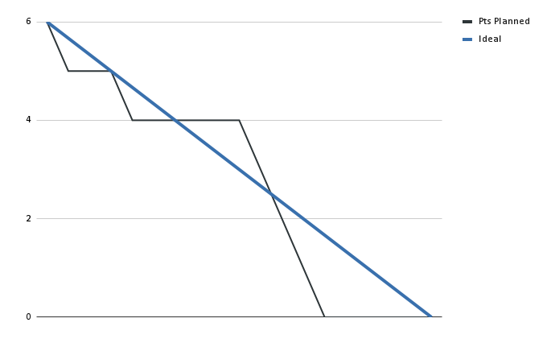
0 | 10/14/2021 | 2 | 0 | 2 | 13
1 | 10/15/2021 | 2 | 0 | 1.846153846 | 12
2 | 10/16/2021 | 2 | 0 | 1.692307692 | 11
3 | 10/17/2021 | 2 | 0 | 1.538461538 | 10
4 | 10/18/2021 | 2 | 0 | 1.384615385 | 9
5 | 10/19/2021 | 2 | 0 | 1.230769231 | 8
6 | 10/20/2021 | 2 | 0 | 1.076923077 | 7
7 | 10/21/2021 | 2 | 0 | 0.9230769231 | 6
8 | 10/22/2021 | 2 | 0 | 0.7692307692 | 5
9 | 10/23/2021 | 2 | 0 | 0.6153846154 | 4
10 | 10/24/2021 | 2 | 0 | 0.4615384615 | 3
11 | 10/25/2021 | 2 | 0 | 0.3076923077 | 2
12 | 10/26/2021 | 2 | 0 | 0.1538461538 | 1
13 | 10/27/2021 | 2 | 0 | 0 | 0

 |  |  | Velocity:
 |  |  | 0

